Sheet2
字体 | 用途
UI Font 1 A_OTF_Shin_Go_Pr5_R16
UI Font 1 A_OTF_Shin_Go_Pr5_R20
UI Font 1 Futura_MdCn_BT26 | MenuHeader_*_*
UI Font 1 Futura_MdCn_BT62 | 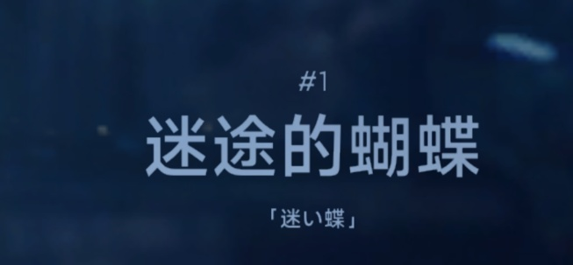 MsnNameLocal_*
UI Font 2 Futura_MdCn_BT26 | MsnDateDesc_micp* MsnDateDesc_miff* MsnLocationDesc_micp*
Movie Font A_OTF_Shin_Go_Pr5_R30_radio
UI Font 3 Futura_MdCn_BT20 | InfoHeader_* | InfoItem_AcStat_* InfoItem_PartsSlot_* InfoItem_WpnStat_* InfoItem_WpnDetail_* | PartsSName_* | AcTypeName_* | AcName_* | MsnName_*
Campaign 1 Font A_OTF_Shin_Go_Pr5_R20_radio

